WireFrame
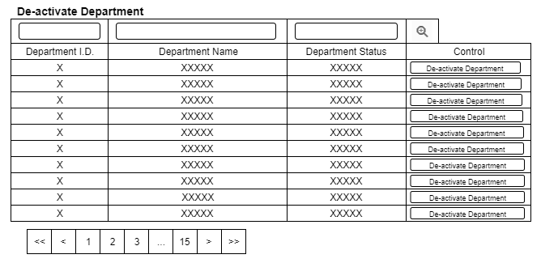
Title | List View Design
Design Type | List
List Title | De-active Employee List

